1
 | HEYAN ENGINEERING POLAND SPÓŁKA Z OGRANICZONĄ ODPOWIEDZIALNOŚCIĄ
RFQ
Project name | SK Polska |  |  |  |  | Contact person | Xin Wang |  |  | Date | 2021-11-08
Delivery address |  |  |  |  |  | e-mail: | wxin@heyan-group.com |  |  | Nr
Company address | ul. PAŃSKA 96, lok. 26, 00-837, WARSZAWA, Poland |  |  |  |  | tel: | +48 604811234 |  |  | Responsible person | Jun Jin
Lp. | Name | Dimension | Unit | Quantity for one line | Total quantity for 8 lines | unit price | Value | Delivery time | The brand of the product | Remarks
1 | Galvanized profile | 100*100*2.5T | m | 218 | 1744 |  |  |  |  | 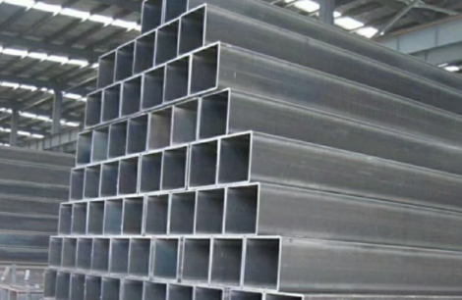
2 | Galvanized profile | 100*50*1.5T | m | 317 | 2536
3 | Galvanized sheet iron | 0.6T FLASHING | ㎡ | 50 | 400 |  |  |  |  | 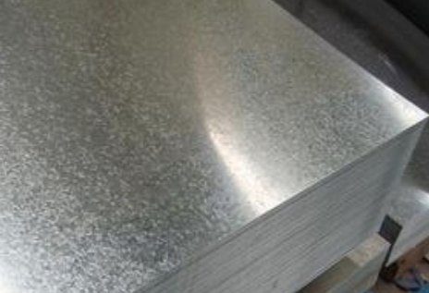
 | Sum |  |  |  | 4680

